S Channel - 12-02-2020 10
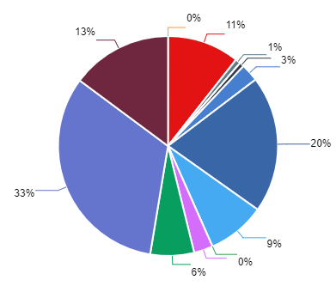
Summary Performance Operation - All Tenant
Export Time | 12-02-2020 10:15:05 | Filter Start | 2020-01-20
Export By | Deri Komara | Filter END | 2020-02-12
NO | CHANNEL_NAME | MESSAGE IN | MESSAGE OUT | UNIQUE CUSTOMER | TOTAL SESSION
1 | ChatBot | 41416 | 56.487 | 9635 | 12429
2 | Email | 24863 | 40.351 | 32619 | 31289
3 | Facebook | 6118 | 9.984 | 10489 | 2332
4 | Instagram | 6390 | 10.648 | 11672 | 4476
5 | Line | 23 | 24 | 40 | 114
6 | Live Chat | 2567 | 2.932 | 14366 | 13912
7 | Messenger | 34401 | 76.745 | 36128 | 29032
8 | Telegram | 1247 | 2.51 | 11094 | 11283
9 | Twitter | 22741 | 32.545 | 38081 | 19667
10 | Twitter DM | 50758 | 124.002 | 51282 | 29694
11 | Voice | 58 | 78 | 78 | 78
12 | Whatsapp | 17638 | 24.515 | 2144 | 18245

